Timecard with Breaks
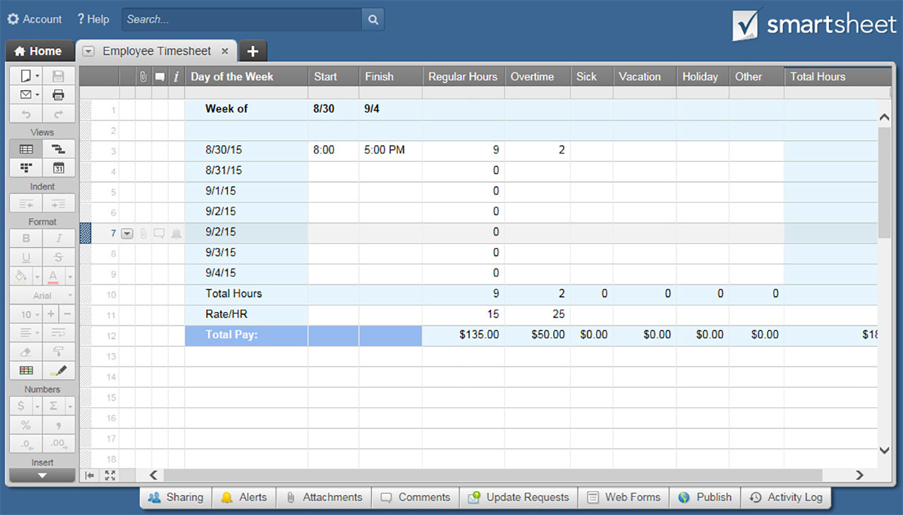
TIMECARD TEMPLATE WITH BREAKS
Employee: |  |  |  |  |  | Week of: | 2018-01-01

DATE | START TIME | TOTAL BREAK TIME IN MINUTES | FINISH TIME | REGULAR HRS | OVERTIME HRS | SICK | VACATION | HOLIDAY | OTHER | TOTAL HOURS
2018-01-01 | 8:00:00 | 60 | 18:00:00 | 8 | 1 |  |  |  |  | 9
2018-01-02 |  |  |  |  |  |  |  |  | 8 | 8
2018-01-03 | 8:00:00 | 0 | 16:00:00 | 8 |  |  |  |  |  | 8
2018-01-04 | 8:00:00 | 0 | 16:00:00 | 8 |  |  |  |  |  | 8
2018-01-05 | 8:00:00 | 0 | 18:00:00 | 8 | 2 |  |  |  |  | 10
2018-01-06 |  |  |  |  |  |  |  |  |  | 0
2018-01-07 |  |  |  |  |  |  |  |  |  | 0
TOTAL HOURS |  |  |  | 32 | 3 | 0 | 0 | 0 | 8 | 43
RATE PER HOUR |  |  |  | $20.00 | $30.00 | $20.00 | $20.00 | $20.00 | $20.00
TOTAL PAY |  |  |  | $640.00 | $90.00 | $0.00 | $0.00 | $0.00 | $160.00 | $890.00

Employee Signature: |  |  |  |  |  |  | Date:

Manager Signature: |  |  |  |  |  |  | Date:

 | CLICK HERE TO CREATE TIMECARD TEMPLATES WITH BREAKS IN SMARTSHEET

